TdF2023 Stages
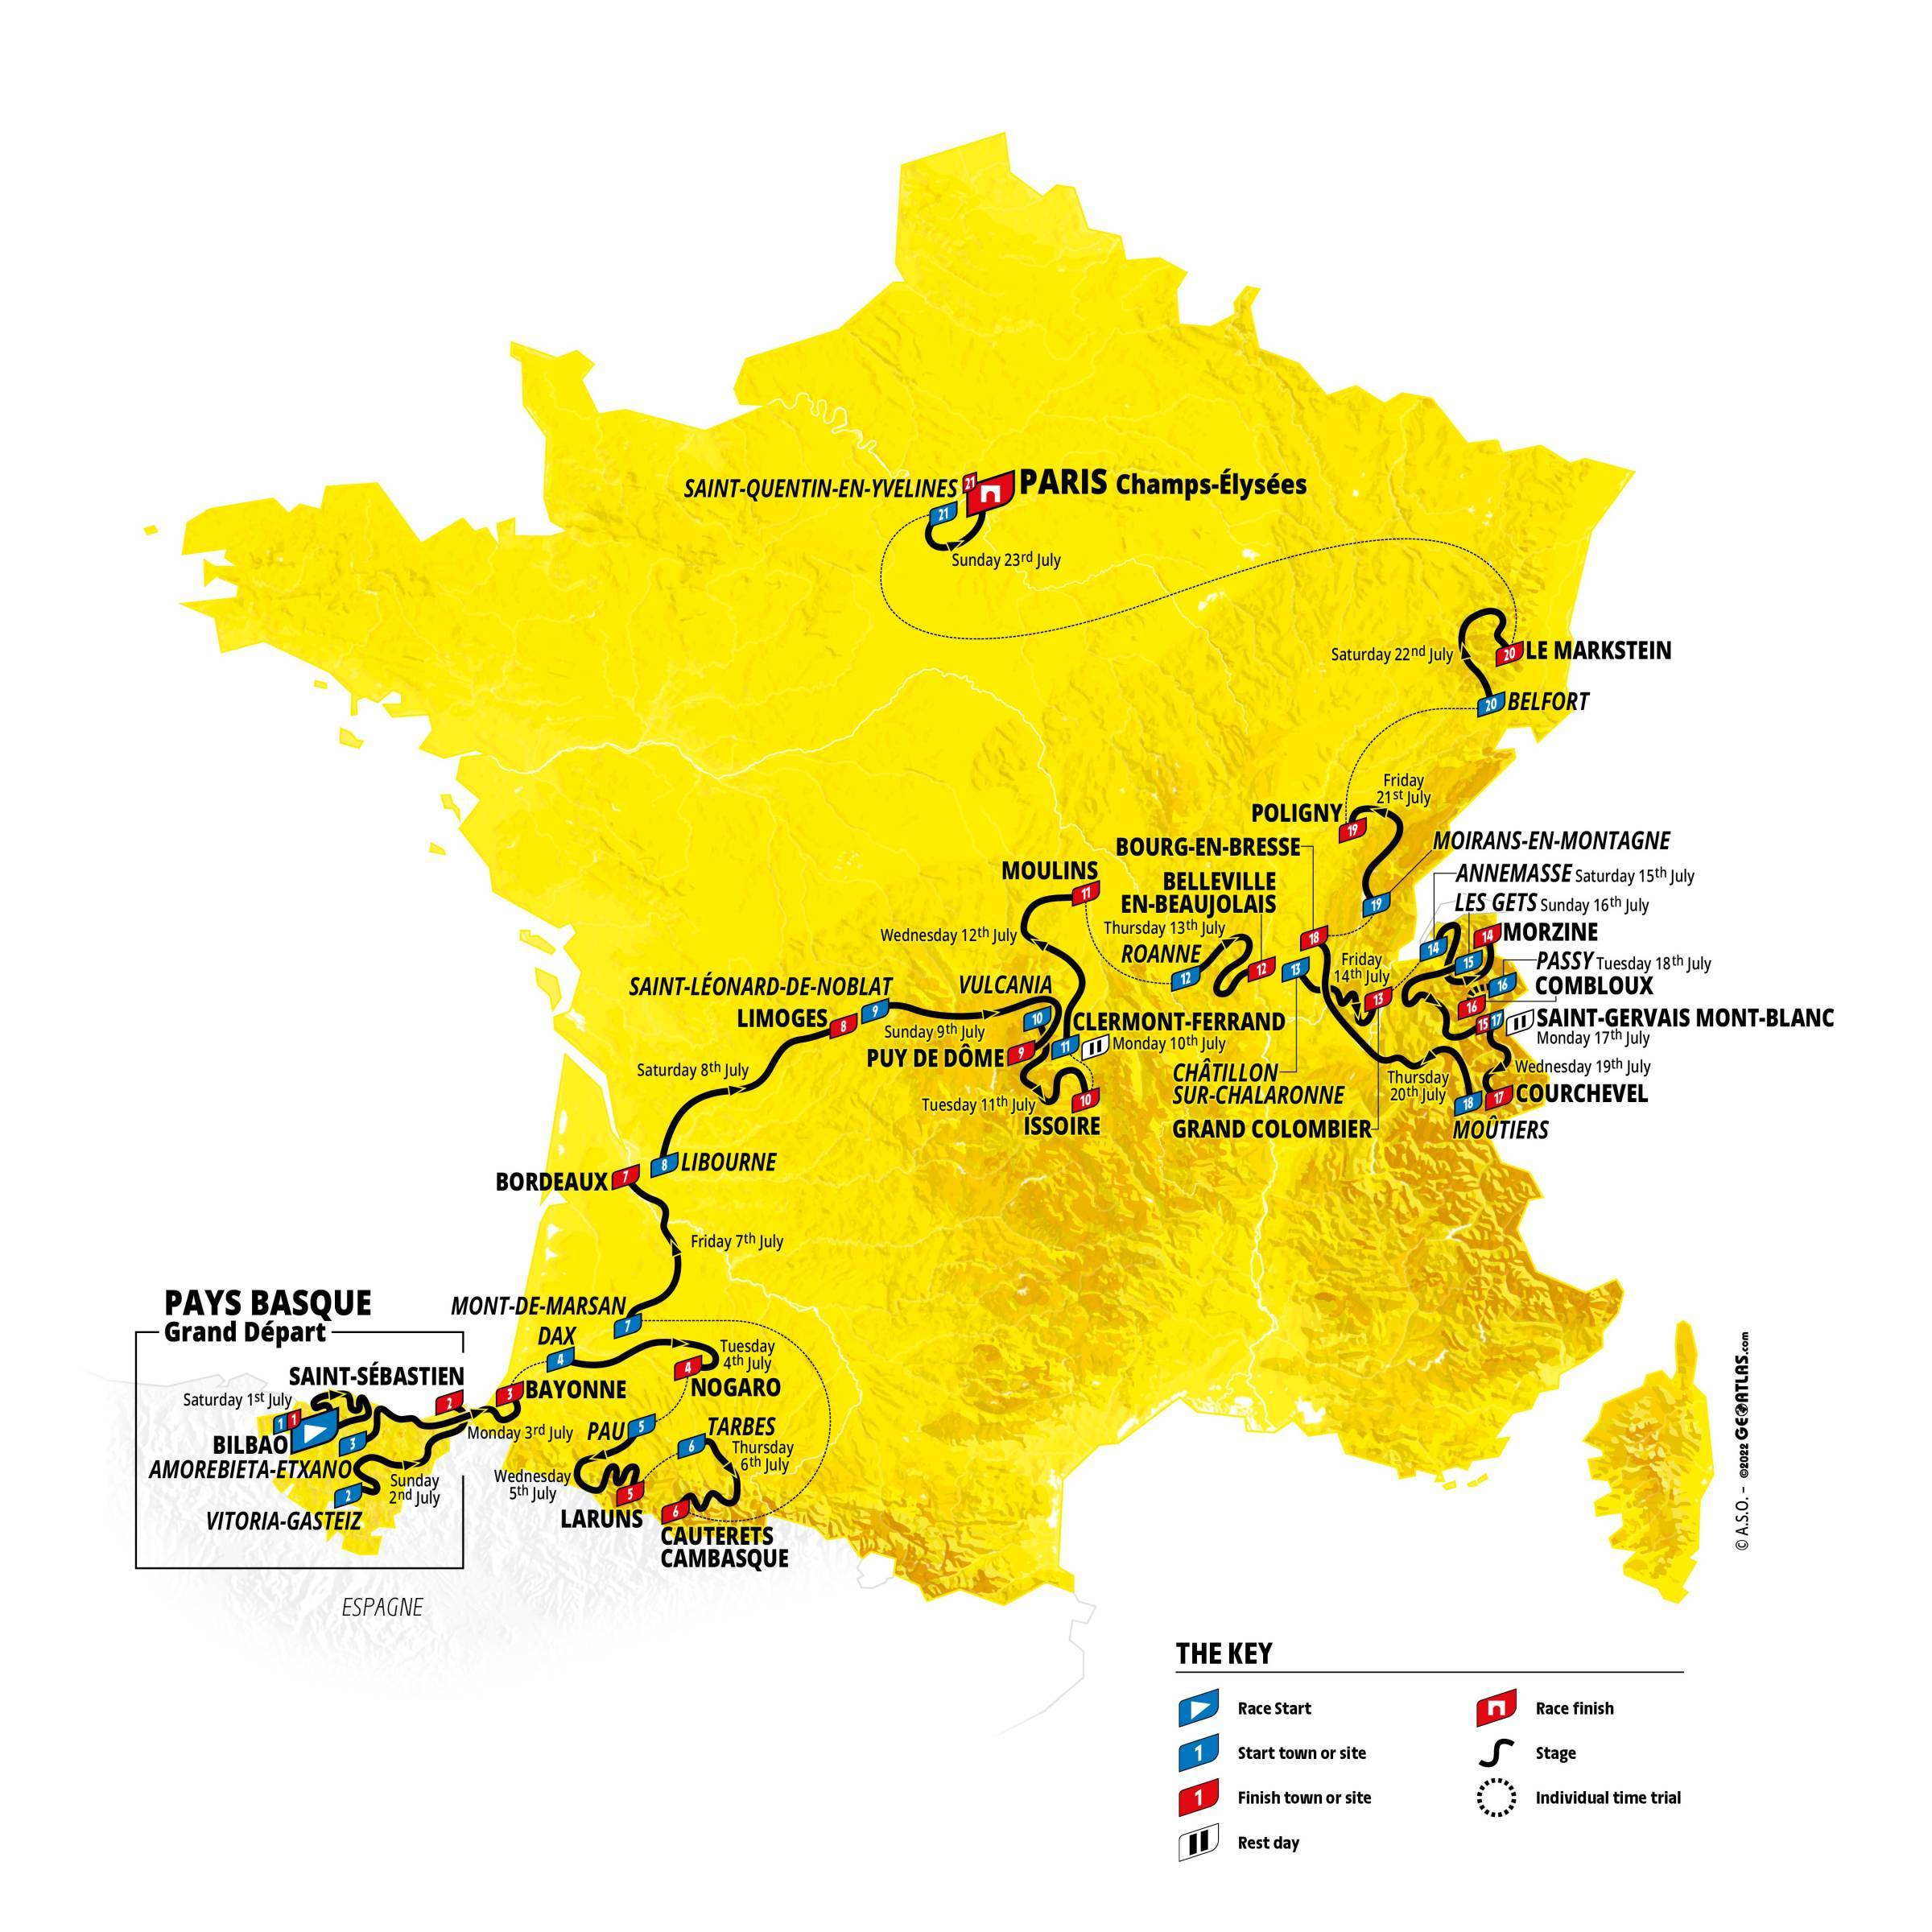
The Tour de France 2023: Stages
Stage | Type | Date | Start and Finish | Distance | Details
1 | Hilly | Sat 07/01/2023 | Bilbao > Bilbao | 182 km | Stage 1
2 | Hilly | Sun 07/02/2023 | Vitoria-Gasteiz > Saint-Sébastien | 209 km | Stage 2
3 | Flat | Mon 07/03/2023 | Amorebieta-Etxano > Bayonne | 193.5 km | Stage 3
4 | Flat | Tue 07/04/2023 | Dax > Nogaro | 182 km | Stage 4
5 | Mountain | Wed 07/05/2023 | Pau > Laruns | 163 km | Stage 5
6 | Mountain | Thu 07/06/2023 | Tarbes > Cauterets-Cambasque | 145 km | Stage 6
7 | Flat | Fri 07/07/2023 | Mont-de-Marsan > Bordeaux | 170 km | Stage 7
8 | Hilly | Sat 07/08/2023 | Libourne > Limoges | 201 km | Stage 8
9 | Mountain | Sun 07/09/2023 | Saint-Léonard-de-Noblat > Puy de Dôme | 182.5 km | Stage 9
 | Rest Day | Mon 07/10/2023 | Clermont-Ferrand
10 | Hilly | Tue 07/11/2023 | Vulcania > Issoire | 167.5 km | Stage 10
11 | Flat | Wed 07/12/2023 | Clermont-Ferrand > Moulins | 180 km | Stage 11
12 | Hilly | Thu 07/13/2023 | Roanne > Belleville-en-Beaujolais | 169 km | Stage 12
13 | Mountain | Fri 07/14/2023 | Châtillon-sur-Chalaronne > Grand Colombier | 138 km | Stage 13
14 | Mountain | Sat 07/15/2023 | Annemasse > Morzine Les Portes du Soleil | 152 km | Stage 14
15 | Mountain | Sun 07/16/2023 | Les Gets les portes du soleil > Saint-Gervais Mont-Blanc | 179 km | Stage 15
 | Rest Day | Mon 07/17/2023 | Saint-Gervais Mont-Blanc |  | Rest 2
16 | ITT | Tue 07/18/2023 | Passy > Combloux | 22.4 km | Stage 16
17 | Mountain | Wed 07/19/2023 | Saint-Gervais Mont-Blanc > Courchevel | 166 km | Stage 17
18 | Hilly | Thu 07/20/2023 | Moûtiers > Bourg-en-Bresse | 185 km | Stage 18
19 | Flat | Fri 07/21/2023 | Moirans-en-Montagne > Poligny | 173 km | Stage 19
20 | Mountain | Sat 07/22/2023 | Belfort > Le Markstein Fellering | 133.5 km | Stage 20
21 | Flat | Sun 07/23/2023 | Saint-Quentin-en-Yvelines > Paris Champs-Élysées | 115.5 km | Stage 21

TdF2022 Stages
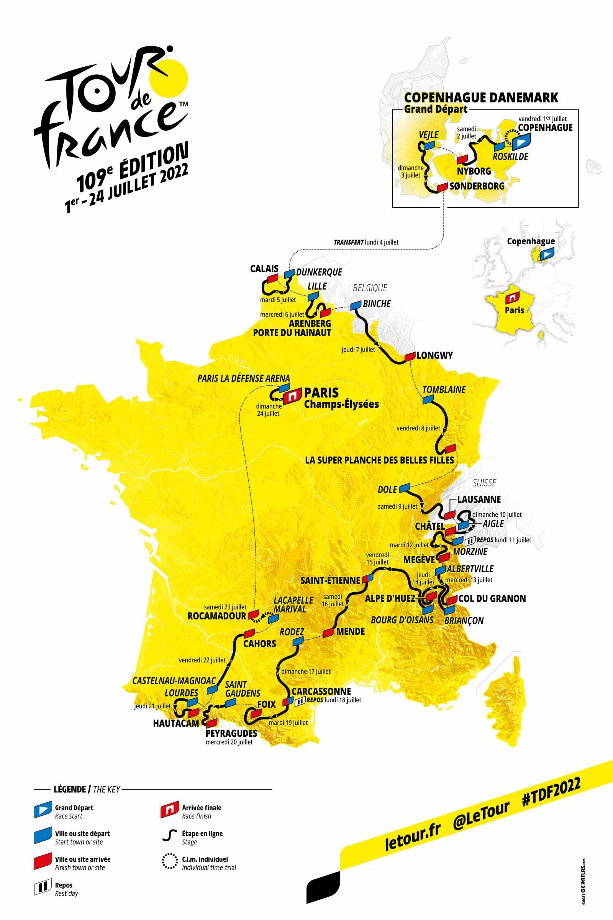
The Tour de France 2022: Stages
Stage | Date | Start | Finish | Distance | Type
1 | 2022-07-01 | Copenhagen (Denmark) | Copenhagen | 13km | ITT
2 | 2022-07-02 | Roskilde (Denmark | Nyborg (Denmark) | 199km | Flat
3 | 2022-07-03 | Vejle (Denmark) | Sønderborg (Denmark) | 182km | Flat
Rest Day | 2022-07-04 |  |  |  | Rest Day
4 | 2022-07-05 | Dunkirk | Calais | 172km | Hilly
5 | 2022-07-06 | Lille | Arenberg | 155km | Hilly
6 | 2022-07-07 | Binche (Belgium) | Longwy | 220km | Hilly
7 | 2022-07-08 | Tomblaine | La Planche des Belles Filles | 176km | Mountain
8 | 2022-07-09 | Dole | Lausanne (Switzerland) | 184km | Hilly
9 | 2022-07-10 | Aigel | Châtel | 183km | Mountain
Rest Day | 2022-07-11 |  |  |  | Rest Day
10 | 2022-07-12 | Morzine | Megève | 148km | Hilly
11 | 2022-07-13 | Albertville | Col du Granon | 149km | Mountain
12 | 2022-07-14 | Briançon | Alpe d'Huez | 148km | Mountain
13 | 2022-07-15 | Bourg-d'Oisans | Saint-Étienne | 193km | Flat
14 | 2022-07-16 | Saint-Étienne | Mende | 195km | Hilly
15 | 2022-07-17 | Rodez | Carcassonne | 200km | Flat
Rest Day | 2022-07-18 |  |  |  | Rest Day
16 | 2022-07-19 | Carcassonne | Foix | 179km | Hilly
17 | 2022-07-20 | Saint-Gaudens | Peyragudes | 130km | Mountain
18 | 2022-07-21 | Lourdes | Hautacam | 143km | Mountain
19 | 2022-07-22 | Castelnau-Magnoac | Cahors | 189km | Flat
20 | 2022-07-23 | Lacapelle-Marival | Rocamadour | 40km | ITT
21 | 2022-07-24 | Paris La Défense Arena | Paris (Champs-Élysées) | 112km | Flat

TdF2021 Stages
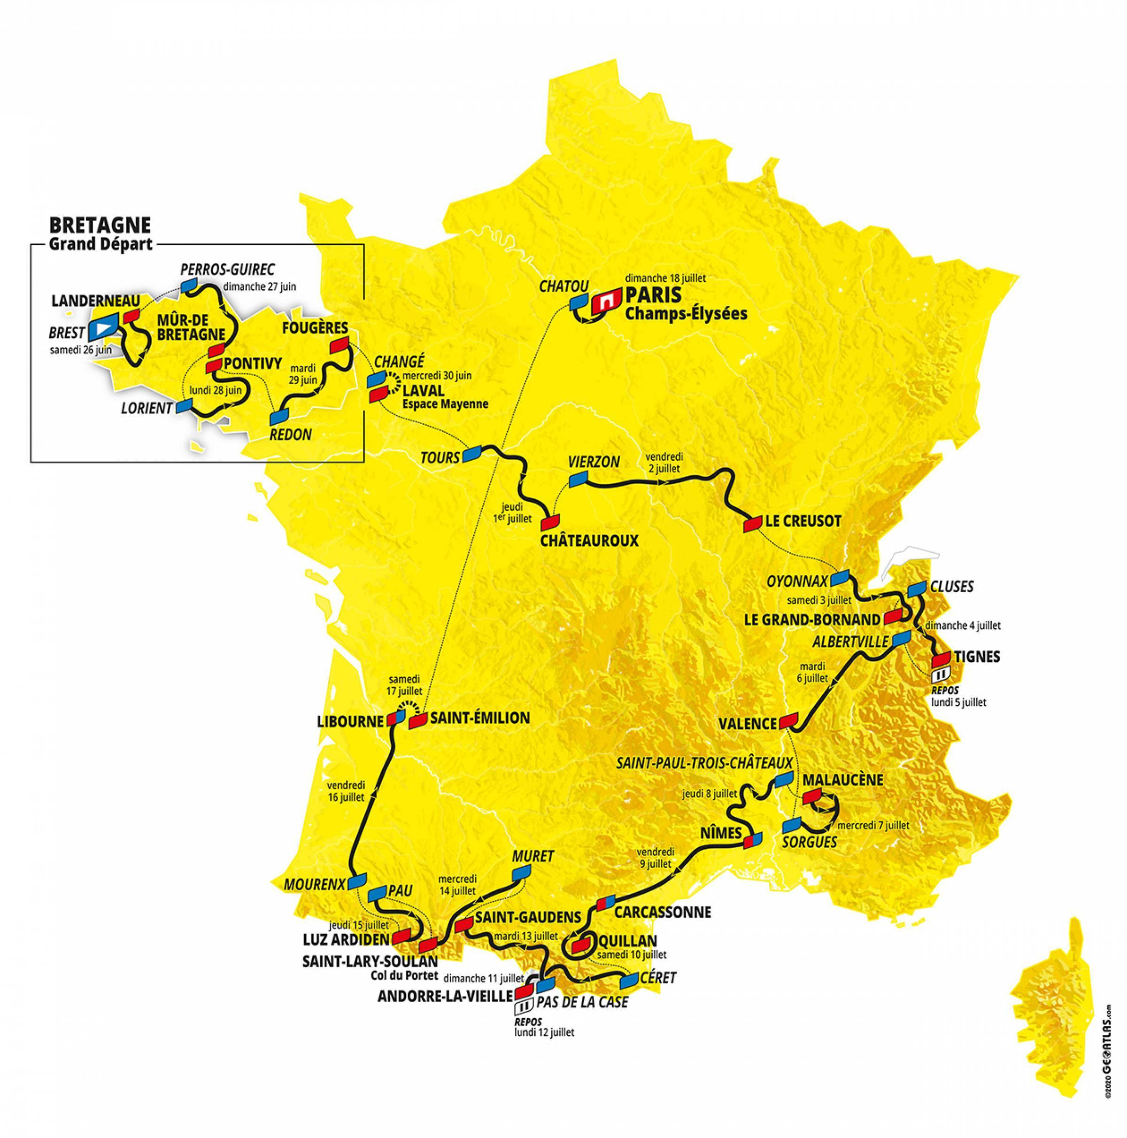
The Tour de France 2021: Stages
Stage | Type | Date | Start and Finish | Distance
1 | Hilly | Sat 06/26/2021 | Brest > Landerneau | 197.8 km
2 | Hilly | Sun 06/27/2021 | Perros-Guirec > Mûr-de-Bretagne Guerlédan | 183.5 km
3 | Flat | Mon 06/28/2021 | Lorient > Pontivy | 182.9 km
4 | Flat | Tue 06/29/2021 | Redon > Fougères | 150.4 km
5 | Individual time-trial | Wed 06/30/2021 | Changé > Laval Espace Mayenne | 27.2 km
6 | Flat | Thu 07/01/2021 | Tours > Châteauroux | 160.6 km
7 | Hilly | Fri 07/02/2021 | Vierzon > Le Creusot | 249.1 km
8 | Mountain | Sat 07/03/2021 | Oyonnax > Le Grand-Bornand | 150.8 km
9 | Mountain | Sun 07/04/2021 | Cluses > Tignes | 144.9 km
- | Rest Day | Mon 07/05/2021 | Tignes
10 | Flat | Tue 07/06/2021 | Albertville > Valence | 190.7 km
11 | Mountain | Wed 07/07/2021 | Sorgues > Malaucène | 198.9 km
12 | Flat | Thu 07/08/2021 | Saint-Paul-Trois-Châteaux > Nîmes | 159.4 km
13 | Flat | Fri 07/09/2021 | Nîmes > Carcassonne | 219.9 km
14 | Hilly | Sat 07/10/2021 | Carcassonne > Quillan | 183.7 km
15 | Mountain | Sun 07/11/2021 | Céret > Andorre-la-Vieille | 191.3 km
- | Rest Day | Mon 07/12/2021 | Andorre
16 | Hilly | Tue 07/13/2021 | Pas de la Case > Saint-Gaudens | 169 km
17 | Mountain | Wed 07/14/2021 | Muret > Saint-Lary-Soulan Col du Portet | 178.4 km
18 | Mountain | Thu 07/15/2021 | Pau > Luz Ardiden | 129.7 km
19 | Flat | Fri 07/16/2021 | Mourenx > Libourne | 207 km
20 | Individual time-trial | Sat 07/17/2021 | Libourne > Saint-Emilion | 30.8 km
21 | Flat | Sun 07/18/2021 | Chatou > Paris Champs-Élysées | 108.4 km

TdF2020 Stages
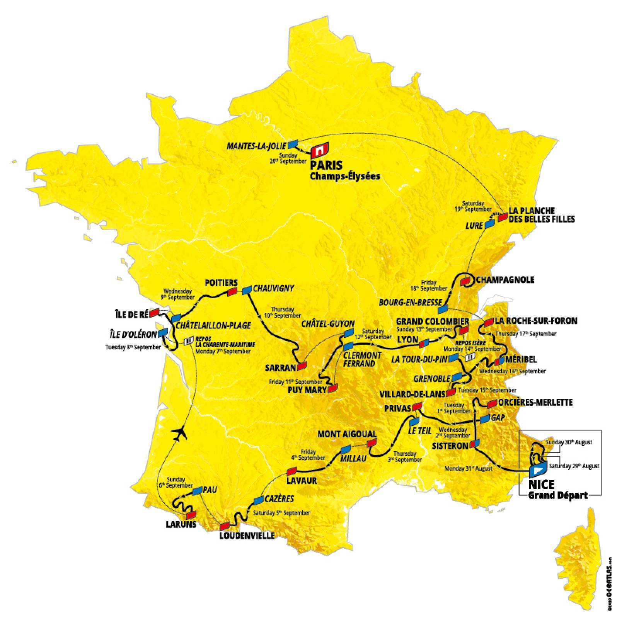
The Tour de France 2020: Stages
Stage | Type | Date | Start and Finish | Distance
1 | Flat | Sat 08/29/2020 | Nice Moyen Pays > Nice | 156 km
2 | Mountain | Sun 08/30/2020 | Nice Haut Pays > Nice | 186 km
3 | Flat | Mon 08/31/2020 | Nice > Sisteron | 198 km
4 | Hilly | Tue 09/01/2020 | Sisteron > Orcières-Merlette | 160.5 km
5 | Flat | Wed 09/02/2020 | Gap > Privas | 183 km
6 | Hilly | Thu 09/03/2020 | Le Teil > Mont Aigoual | 191 km
7 | Flat | Fri 09/04/2020 | Millau > Lavaur | 168 km
8 | Mountain | Sat 09/05/2020 | Cazères-sur-Garonne > Loudenvielle | 141 km
9 | Mountain | Sun 09/06/2020 | Pau > Laruns | 153 km
- | Rest Day | Mon 09/07/2020 | La Charente-Maritime
10 | Flat | Tue 09/08/2020 | Île d'Oléron Le Château-d'Oléron > Île de Ré Saint-Martin-de-Ré | 168.5 km
11 | Flat | Wed 09/09/2020 | Châtelaillon-Plage > Poitiers | 167.5 km
12 | Hilly | Thu 09/10/2020 | Chauvigny > Sarran Corrèze | 218 km
13 | Mountain | Fri 09/11/2020 | Châtel-Guyon > Puy Mary Cantal | 191.5 km
14 | Flat | Sat 09/12/2020 | Clermont-Ferrand > Lyon | 194 km
15 | Mountain | Sun 09/13/2020 | Lyon > Grand Colombier | 174.5 km
- | Rest Day | Mon 09/14/2020 | Isère
16 | Mountain | Tue 09/15/2020 | La Tour-du-Pin > Villard-de-Lans | 164 km
17 | Mountain | Wed 09/16/2020 | Grenoble > Méribel Col de la Loze | 170 km
18 | Mountain | Thu 09/17/2020 | Méribel > La Roche-sur-Foron | 175 km
19 | Flat | Fri 09/18/2020 | Bourg-en-Bresse > Champagnole | 166.5 km
20 | Individual time-trial | Sat 09/19/2020 | Lure > La Planche des Belles Filles | 36.2 km
21 | Flat | Sun 09/20/2020 | Mantes-la-Jolie > Paris Champs-Élysées | 122 km

TdF2019 Stages
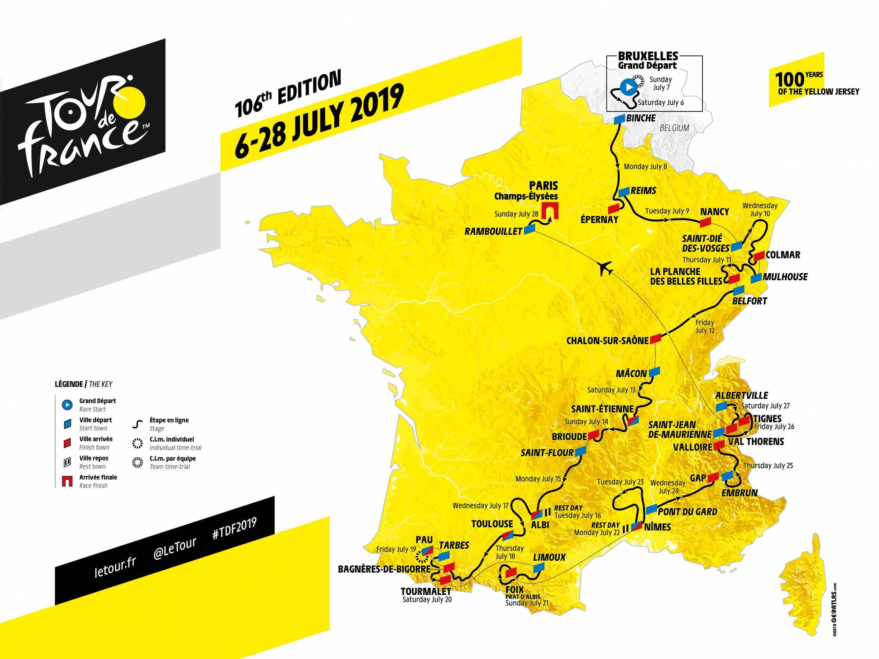
The Tour de France 2019: Stages
Stage |  | date | location | distance
Stage 1 | Flat | July 06, 2019 | Brussels - Brussels | 194.5 km
Stage 2 | TTT | July 07, 2019 | Brussels (TTT) | 27.6 km
Stage 3 | Hilly | July 08, 2019 | Binche - Epernay | 215 km
Stage 4 | Flat | July 09, 2019 | Reims - Nancy | 213.5 km
Stage 5 | Hilly | July 10, 2019 | Saint-Die-Des-Vosges - Colmar | 175.5 km
Stage 6 | Mountain | July 11, 2019 | Mulhouse - La Planche Des Belles Filles | 160.5 km
Stage 7 | Flat | July 12, 2019 | Belfort - Chalon-Sur-Saone | 230 km
Stage 8 | Hilly | July 13, 2019 | Macon - Saint-Etienne | 200 km
Stage 9 | Hilly | July 14, 2019 | Saint-Etienne - Brioude | 170.5 km
Stage 10 | Flat | July 15, 2019 | Saint-Flour - Albi | 217.5 km
Rest Day 1 |  | July 16, 2019
Stage 11 | Flat | July 17, 2019 | Albi - Toulouse | 167 km
Stage 12 | Mountain | July 18, 2019 | Toulouse - Bagneres-De-Bigorre | 209.5 km
Stage 13 | ITT | July 19, 2019 | Pau (ITT) | 27.2 km
Stage 14 | Mountain | July 20, 2019 | Tarbes - Tourmalet | 117.5 km
Stage 15 | Mountain | July 21, 2019 | Limoux - Foix | 185 km
Rest Day 2 |  | July 22, 2019 | Nimes
Stage 16 | Flat | July 23, 2019 | Nimes - Nimes | 177 km
Stage 17 | Flat | July 24, 2019 | Pont Du Gard - Gap | 200 km
Stage 18 | Mountain | July 25, 2019 | Embrun - Valloire | 208 km
Stage 19 | Mountain | July 26, 2019 | Saint-Jean-De-Maurienne - Tignes | 126.5 km
Stage 20 | Mountain | July 27, 2019 | Albertville - Val Thorens | 130 km
Stage 21 | Flat | July 28, 2019 | Rambouillet - Paris Champs-Elysees | 128 km

TdF2018 Stages
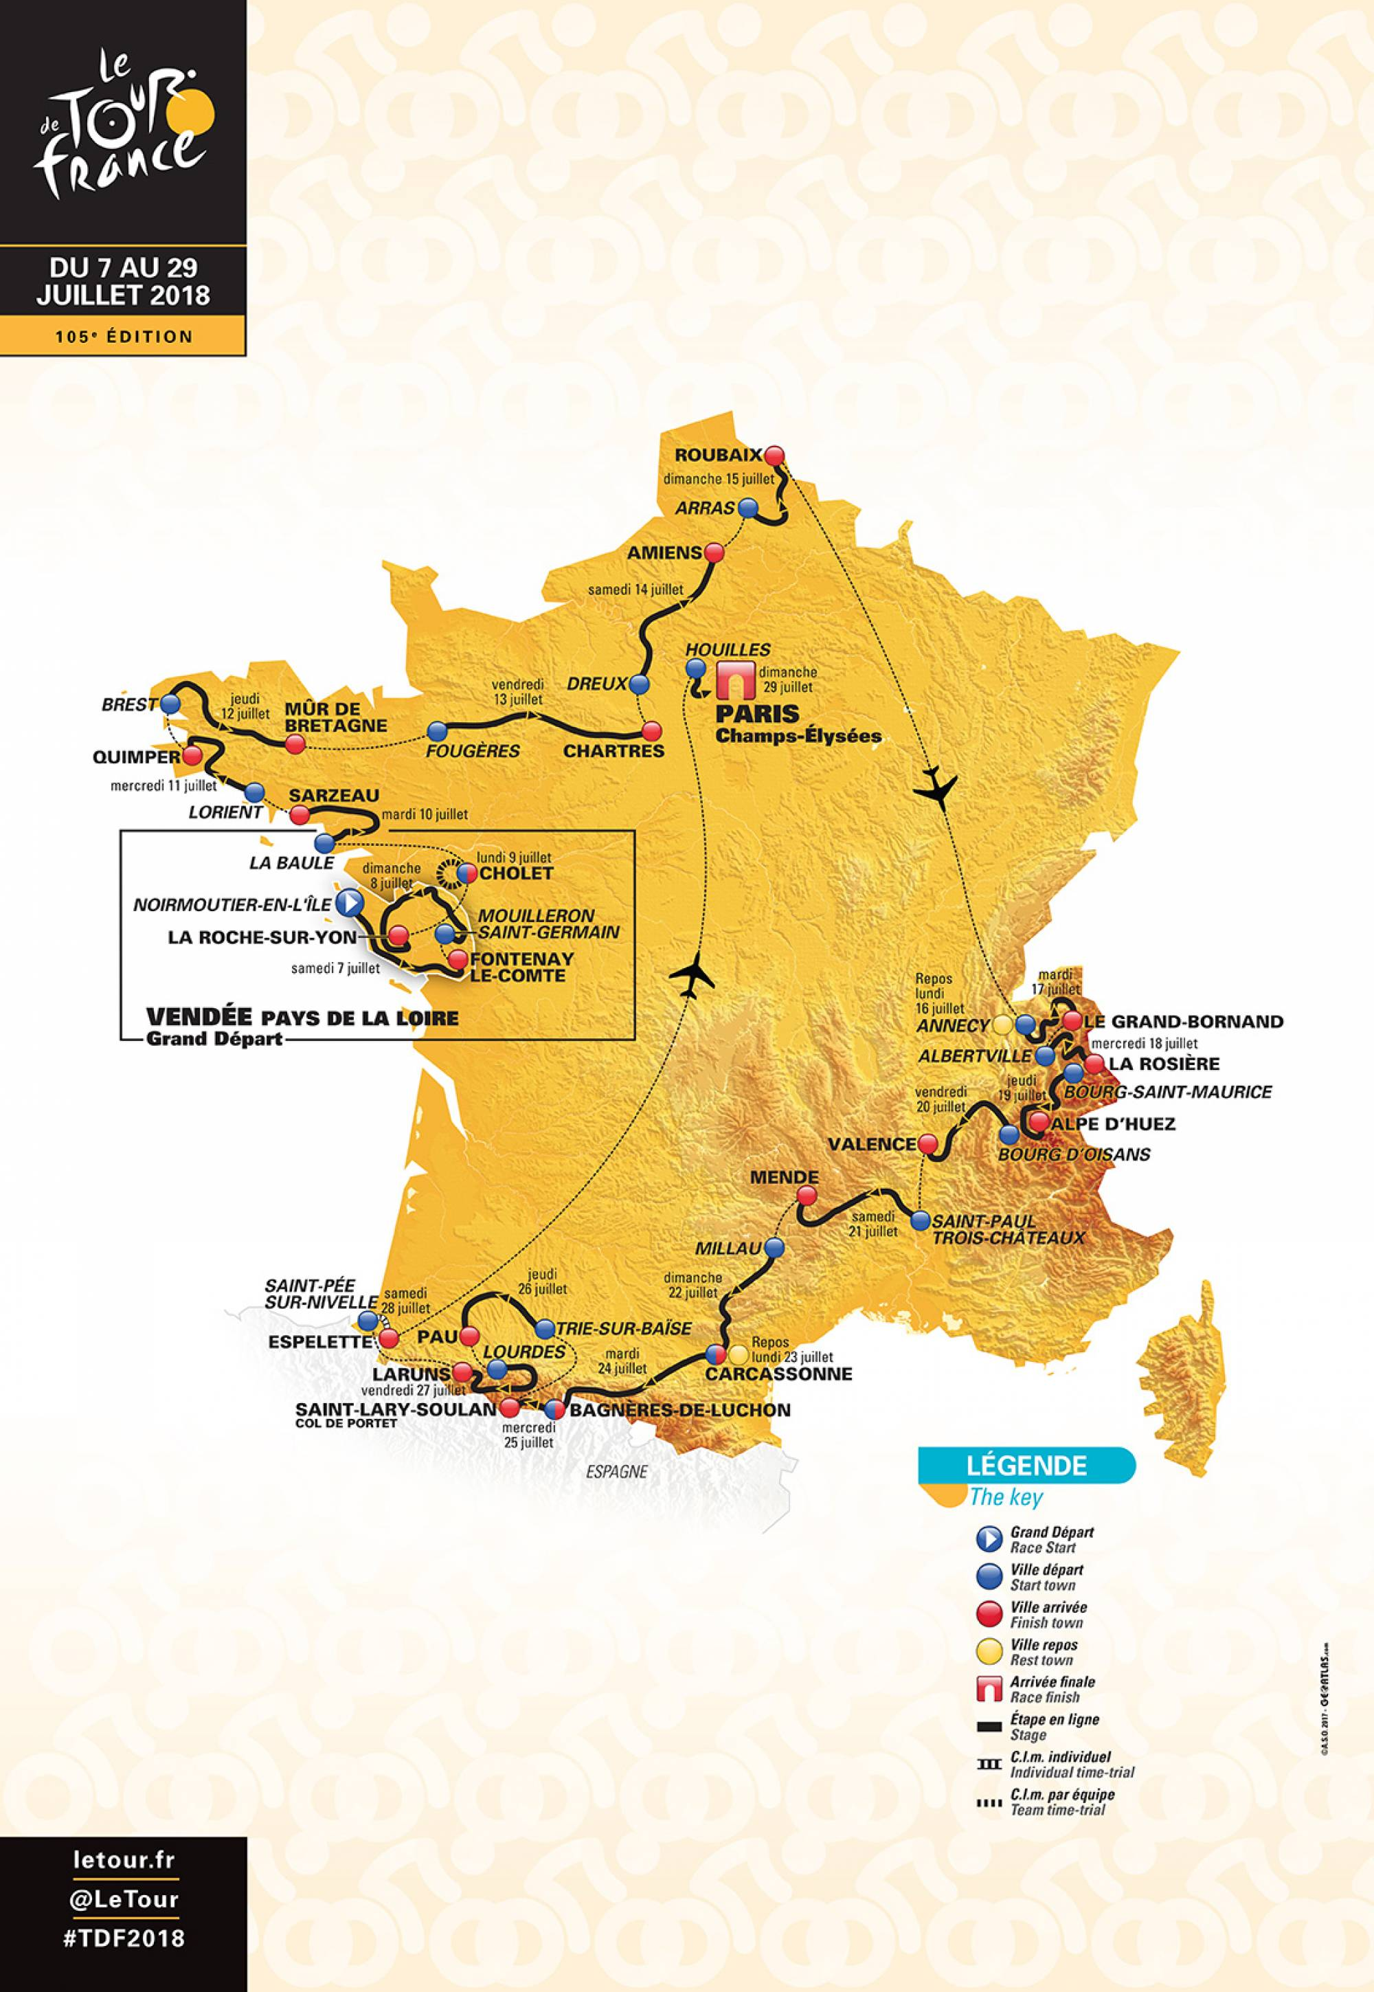
The Tour de France 2018: Stages

1 | Flat | Saturday, July 7, 2018 | Noirmoutier-en-l'Île / Fontenay-le-Comte | 201 km
2 | Flat | Sunday, July 8, 2018 | Mouilleron-Saint-Germain / La Roche-sur-Yon | 182.5 km
3 | Team Time-Trial | Monday, July 9, 2018 | Cholet / Cholet | 35.5 km
4 | Flat | Tuesday, July 10, 2018 | La Baule / Sarzeau | 195 km
5 | Hilly | Wednesday, July 11, 2018 | Lorient / Quimper | 204.5 km
6 | Hilly | Thursday, July 12, 2018 | Brest / Mûr-de-Bretagne Guerlédan | 181 km
7 | Flat | Friday, July 13, 2018 | Fougères / Chartres | 231 km
8 | Flat | Saturday, July 14, 2018 | Dreux / Amiens Métropole | 181 km
9 | Hilly | Sunday, July 15, 2018 | Arras Citadelle / Roubaix | 156.5 km
- | Rest Day | Monday, July 16, 2018 | Annecy
10 | Mountain | Tuesday, July 17, 2018 | Annecy / Le Grand-Bornand | 158.5 km
11 | Mountain | Wednesday, July 18, 2018 | Albertville / La Rosière Espace San Bernardo | 108.5 km
12 | Mountain | Thursday, July 19, 2018 | Bourg-Saint-Maurice Les Arcs / Alpe d'Huez | 175.5 km
13 | Flat | Friday, July 20, 2018 | Bourg d'Oisans / Valence | 169.5 km
14 | Hilly | Saturday, July 21, 2018 | Saint-Paul-Trois-Châteaux / Mende | 188 km
15 | Hilly | Sunday, July 22, 2018 | Millau / Carcassonne | 181.5 km
- | Rest Day | Monday, July 23, 2018 | Carcassonne
16 | Mountain | Tuesday, July 24, 2018 | Carcassonne / Bagnères-de-Luchon | 218 km
17 | Mountain | Wednesday, July 25, 2018 | Bagnères-de-Luchon / Saint-Lary-Soulan Col du Portet | 65 km
18 | Flat | Thursday, July 26, 2018 | Trie-sur-Baïse / Pau | 171 km
19 | Mountain | Friday, July 27, 2018 | Lourdes / Laruns | 200.5 km
20 | Individual time-trial | Saturday, July 28, 2018 | Saint-Pée-sur-Nivelle / Espelette | 31 km
21 | Flat | Sunday, July 29, 2018 | Houilles / Paris Champs-Élysées | 116 km

TdF2017 Stages
The Tour de France 2017
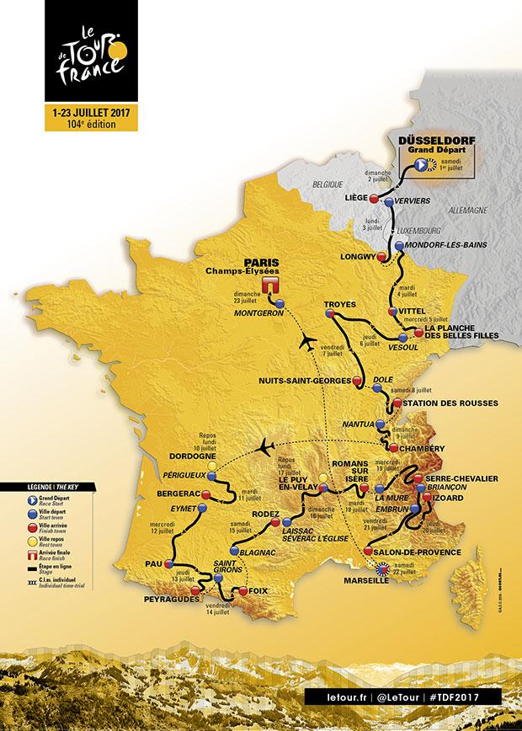
1 | Individual time trial | Saturday, July 1st | Düsseldorf / Düsseldorf | 13 km
2 |  | Sunday, July 2nd | Düsseldorf / Liège | 202 km
3 |  | Monday, July 3rd | Verviers / Longwy | 202 km
4 |  | Tuesday, July 4th | Mondorf-les-Bains / Vittel | 203 km
5 |  | Wednesday, July 5th | Vittel / La planche des belles filles | 160 km
6 |  | Thursday, July 6th | Vesoul / Troyes | 216 km
7 |  | Friday, July 7th | Troyes / Nuits-Saint-Georges | 214 km
8 |  | Saturday, July 8th | Dole / Station des rousses | 187 km
9 |  | Sunday, July 9th | Nantua / Chambéry | 181 km
- | Rest day | Monday, July 10th | Dordogne / Dordogne
10 |  | Tuesday, July 11th | Périgueux / Bergerac | 178 km
11 |  | Wednesday, July 12th | Eymet / Pau | 202 km
12 |  | Thursday, July 13th | Pau / Peyragudes | 214 km
13 |  | Friday, July 14th | Saint-Girons / Foix | 100 km
14 |  | Saturday, July 15th | Blagnac / Rodez | 181 km
15 |  | Sunday, July 16th | Laissac-Sévérac l'Église / Le Puy-en-Velay | 189 km
- | Rest day | Monday, July 17th | Le Puy-en-Velay / Le Puy-en-Velay
16 |  | Tuesday, July 18th | Le Puy-en-Velay / Romans-sur-Isère | 165 km
17 |  | Wednesday, July 19th | La Mure / Serre-Chevalier | 183 km
18 |  | Thursday, July 20th | Briançon / Izoard | 178 km
19 |  | Friday, July 21st | Embrun / Salon-de-Provence | 220 km
20 | Individual time trial | Saturday, July 22nd | Marseille / Marseille | 23 km
21 |  | Sunday, July 23rd | Montgeron / Paris Champs-Élysées | 105 km

TdF2016 Stages
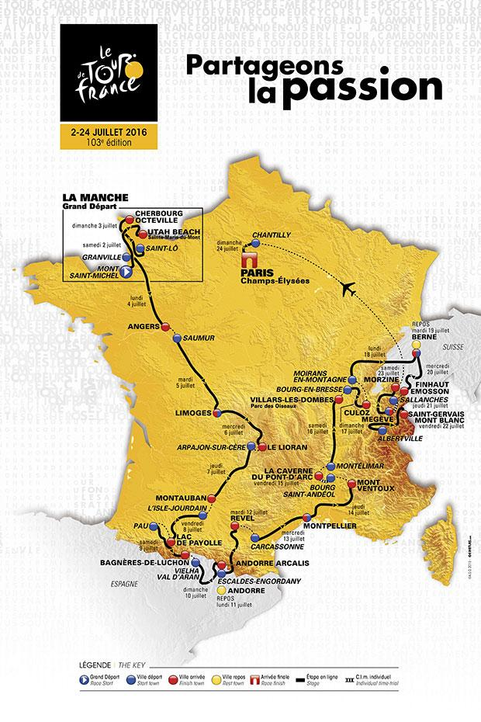
The Tour de France 2016

1 | Flat | Saturday, July 2nd | Mont-Saint-michel / Utah Beach Sainte-Marie-du-Mont | 188 km
2 | Flat | Sunday, July 3rd | Saint-Lô / Cherbourg-Octeville | 182 km
3 | Flat | Monday, July 4th | Granville / Angers | 222 km
4 | Flat | Tuesday, July 5th | Saumur / Limoges | 232 km
5 | Hilly | Wednesday, July 6th | Limoges / Le Lioran | 216 km
6 | Flat | Thursday, July 7th | Arpajon-sur-Cère / Montauban | 187 km
7 | Mountain | Friday, July 8th | L’Isle-Jourdain / Lac de Payolle | 162 km
8 | Mountain | Saturday, July 9th | Pau / Bagnères-de-Luchon | 183 km
9 | Mountain | Sunday, July 10th | Vielha Val d’Aran / Andorre Arcalis | 184 km
- | Rest day | Monday, July 11th | Andorre
10 | Mountain | Tuesday, July 12th | Escaldes-Engordany / Revel | 198 km
11 | Flat | Wednesday, July 13th | Carcassonne / Montpellier | 164 km
12 | Mountain | Thursday, July 14th | Montpellier / Mont Ventoux | 185 km
13 | Individual time trial | Friday, July 15th | Bourg-Saint-Andéol / La Caverne du Pont-d'Arc | 37 km
14 | Flat | Saturday, July 16th | Montélimar / Villars-les-Dombes Parc des Oiseaux | 208 km
15 | Mountain | Sunday, July 17th | Bourg-en-Bresse / Culoz | 159 km
16 | Flat | Monday, July 18th | Moirans-en-Montagne / Berne | 206 km
- | Rest day | Tuesday, July 19th | Berne
17 | Mountain | Wednesday, July 20th | Berne / Finhaut-Emosson | 184 km
18 | Individual time trial | Thursday, July 21st | Sallanches / Megève | 17 km
19 | Mountain | Friday, July 22nd | Albertville / Saint-Gervais Mont Blanc | 146 km
20 | Mountain | Saturday, July 23rd | Megève / Morzine | 146 km
21 | Flat | Sunday, July 24th | Chantilly / Paris Champs-Élysées | 113 km

TdF2015 Stages
The Tour de France 2015

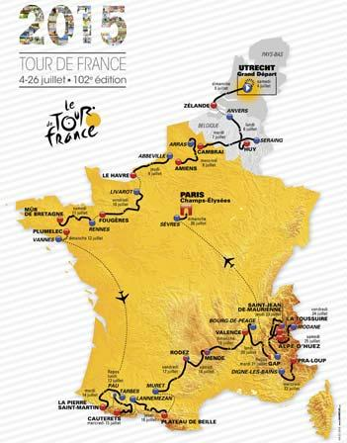
1 | Individual time trial | Saturday, July 4th | Utrecht / Utrecht | 13.8 km
2 | On-line | Sunday, July 5th | Utrecht / Zélande | 166 km
3 | On-line | Monday, July 6th | Anvers / Huy | 159.5 km
4 | Hilly | Tuesday, July 7th | Seraing / Cambrai | 223.5 km
5 | On-line | Wednesday, July 8th | Arras Communauté Urbaine / Amiens Métropole | 189.5 km
6 | On-line | Thursday, July 9th | Abbeville / Le Havre | 191.5 km
7 | On-line | Friday, July 10th | Livarot / Fougères | 190.5 km
8 | On-line | Saturday, July 11th | Rennes / Mûr-de-Bretagne | 181.5 km
9 | Team time trial | Sunday, July 12th | Vannes / Plumelec | 28 km
- | Rest day | Monday, July 13th | Pau
10 | Mountain | Tuesday, July 14th | Tarbes / La Pierre-Saint-Martin | 167 km
11 | Mountain | Wednesday, July 15th | Pau / Cauterets - Vallée de Saint-Savin | 188 km
12 | Mountain | Thursday, July 16th | Lannemezan / Plateau de Beille | 195 km
13 | Hilly | Friday, July 17th | Muret / Rodez | 198.5 km
14 | Hilly | Saturday, July 18th | Rodez / Mende | 178.5 km
15 | Hilly | Sunday, July 19th | Mende / Valence | 183 km
16 | Hilly | Monday, July 20th | Bourg-de-Péage / Gap | 201 km
- | Rest day | Tuesday, July 21st | Gap
17 | Mountain | Wednesday, July 22nd | Digne-les-Bains / Pra Loup | 161 km
18 | Mountain | Thursday, July 23rd | Gap / Saint-Jean-de-Maurienne | 186.5 km
19 | Mountain | Friday, July 24th | Saint-Jean-de-Maurienne / La Toussuire - Les Sybelles | 138 km
20 | Mountain | Saturday, July 25th | Modane Valfréjus / Alpe d’Huez | 110.5 km
21 | On-line | Sunday, July 26th | Sèvres - Grand Paris Seine Ouest / Paris Champs-Élysées | 109.5 k

TdF2014 Stages
The Tour de France 2014

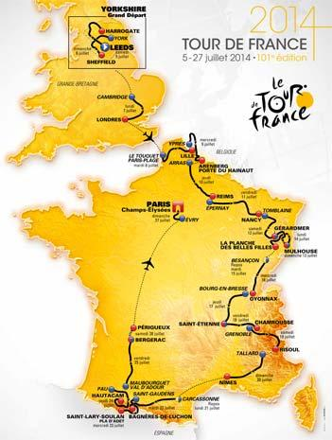
1 | Stage | Saturday, July 5th | Leeds > Harrogate | 190.5 km
2 | Stage | Sunday, July 6th | York > Sheffield | 201 km
3 | Stage | Monday, July 7th | Cambridge > Londres | 155 km
4 | Stage | Tuesday, July 8th | Le Touquet-Paris-Plage > Lille Métropole | 163.5 km
5 | Stage | Wednesday, July 9th | Ypres > Arenberg Porte du Hainaut | 155.5 km
6 | Stage | Thursday, July 10th | Arras > Reims | 194 km
7 | Stage | Friday, July 11th | Épernay > Nancy | 234.5 km
8 | Stage | Saturday, July 12th | Tomblaine > Gérardmer La Mauselaine | 161 km
9 | Stage | Sunday, July 13th | Gérardmer > Mulhouse | 170 km
10 | Stage | Monday, July 14th | Mulhouse > La Planche des Belles Filles | 161.5 km
- | Rest day | Tuesday, July 15th | Besançon
11 | Stage | Wednesday, July 16th | Besançon > Oyonnax | 187.5 km
12 | Stage | Thursday, July 17th | Bourg-en-Bresse > Saint-Étienne | 185.5 km
13 | Stage | Friday, July 18th | Saint-Étienne > Chamrousse | 197.5 km
14 | Stage | Saturday, July 19th | Grenoble > Risoul | 177 km
15 | Stage | Sunday, July 20th | Tallard > Nîmes | 222 km
- | Rest day | Monday, July 21st | Carcassonne
16 | Stage | Tuesday, July 22nd | Carcassonne > Bagnères-de-Luchon | 237.5 km
17 | Stage | Wednesday, July 23rd | Saint-Gaudens > Saint-Lary Pla d’Adet | 124.5 km
18 | Stage | Thursday, July 24th | Pau > Hautacam | 145.5 km
19 | Stage | Friday, July 25th | Maubourguet Pays du Val d’Adour > Bergerac | 208.5 km
20 | Individual time-trial | Saturday, July 26th | Bergerac > Périgueux | 54 km
21 | Stage | Sunday, July 27th | Évry > Paris Champs-Élysées | 137.5 km

TdF2013 Stages
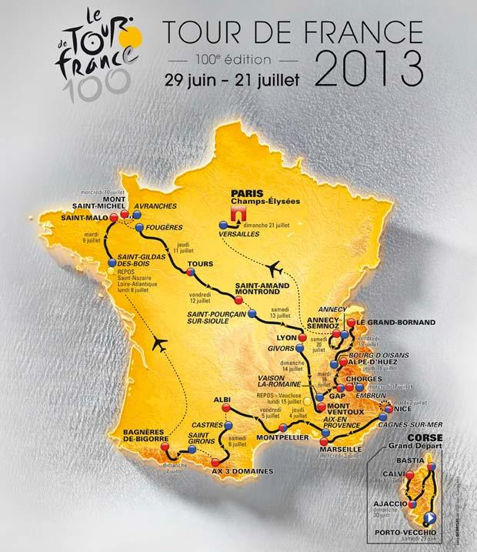
The 2013 Tour de France

1 | Stage | Saturday, June 29th | Porto-Vecchio > Bastia | 212 km
2 | Stage | Sunday, June 30th | Bastia > Ajaccio | 154 km
3 | Stage | Monday, July 1st | Ajaccio > Calvi | 145 km
4 | Team time-trial | Tuesday, July 2nd | Nice > Nice | 25 km
5 | Stage | Wednesday, July 3rd | Cagnes-sur-Mer > Marseille | 219 km
6 | Stage | Thursday, July 4th | Aix-en-Provence > Montpellier | 176 km
7 | Stage | Friday, July 5th | Montpellier > Albi | 205 km
8 | Stage | Saturday, July 6th | Castres > Ax 3 Domaines | 194 km
9 | Stage | Sunday, July 7th | Saint-Girons > Bagnères-de-Bigorre | 165 km
- | Rest day | Monday, July 8th | Saint-Nazaire - Loire-Atlantique | -
10 | Stage | Tuesday, July 9th | Saint-Gildas-des-Bois > Saint-Malo | 193 km
11 | Individual time-trial | Wednesday, July 10th | Avranches > Mont-Saint-Michel | 33 km
12 | Stage | Thursday, July 11th | Fougères > Tours | 218 km
13 | Stage | Friday, July 12th | Tours > Saint-Amand-Montrond | 173 km
14 | Stage | Saturday, July 13th | Saint-Pourçain-sur-Sioule > Lyon | 191 km
15 | Stage | Sunday, July 14th | Givors > Mont Ventoux | 242 km
- | Rest day | Monday, July 15th | Vaucluse | -
16 | Stage | Tuesday, July 16th | Vaison-la-Romaine > Gap | 168 km
17 | Individual time-trial | Wednesday, July 17th | Embrun > Chorges | 32 km
18 | Stage | Thursday, July 18th | Gap > Alpe-d’Huez | 168 km
19 | Stage | Friday, July 19th | Bourg-d’Oisans > Le Grand-Bornand | 204 km
20 | Stage | Saturday, July 20th | Annecy > Annecy - Semnoz | 125 km
21 | Stage | Sunday, July 21st | Versailles > Paris Champs-Élysées | 118 km

TdF 2012 Stages
Stage | Type | Date | Start and Finish | Distance
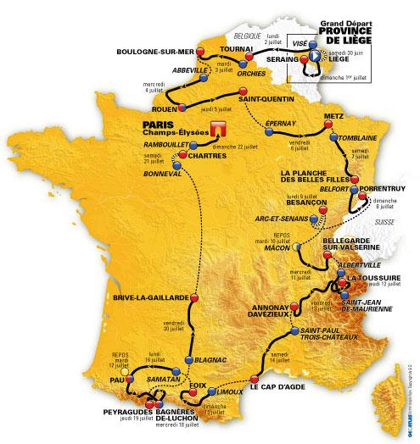
P | Prologue | Saturday 30 June | Liège > Liège | 6.1 km
1 | Plain | Sunday 1 July | Liège > Seraing | 198 km
2 | Plain | Monday 2 July | Visé > Tournai | 207 km
3 | Medium mountains | Tuesday 3 July | Orchies > Boulogne-sur-Mer | 197 km
4 | Plain | Wednesday 4 July | Abbeville > Rouen | 214 km
5 | Plain | Thursday 5 July | Rouen > Saint-Quentin | 197 km
6 | Plain | Friday 6 July | Épernay > Metz | 210 km
7 | Medium mountains | Saturday 7 July | Tomblaine > La Planche des Belles Filles | 199 km
8 | Medium mountains | Sunday 8 July | Belfort > Porrentruy | 154 km
9 | Individual time-trial | Monday 9 July | Arc-et-Senans > Besançon | 38 km
10 | High Mountains | Wednesday 11 July | Mâcon > Bellegarde-sur-Valserine | 194 km
11 | High Mountains | Thursday 12 July | Albertville > La Toussuire - Les Sybelles | 140 km
12 | Medium mountains | Friday 13 July | Saint-Jean-de-Maurienne > Annonay Davézieux | 220 km
13 | Plain | Saturday 14 July | Saint-Paul-Trois-Châteaux > Le Cap d’Agde | 215 km
14 | High Mountains | Sunday 15 July | Limoux > Foix | 192 km
15 | Plain | Monday 16 July | Samatan > Pau | 160 km
16 | High Mountains | Wednesday 18 July | Pau > Bagnères-de-Luchon | 197 km
17 | High Mountains | Thursday 19 July | Bagnères-de-Luchon > Peyragudes | 144 km
18 | Plain | Friday 20 July | Blagnac > Brive-la-Gaillarde | 215 km
19 | Individual time-trial | Saturday 21 July | Bonneval > Chartres | 52 km
20 | Plain | Sunday 22 July | Rambouillet > Paris Champs-Élysées | 130 km

